CollectiveAccess
Image | Object | Description | Date
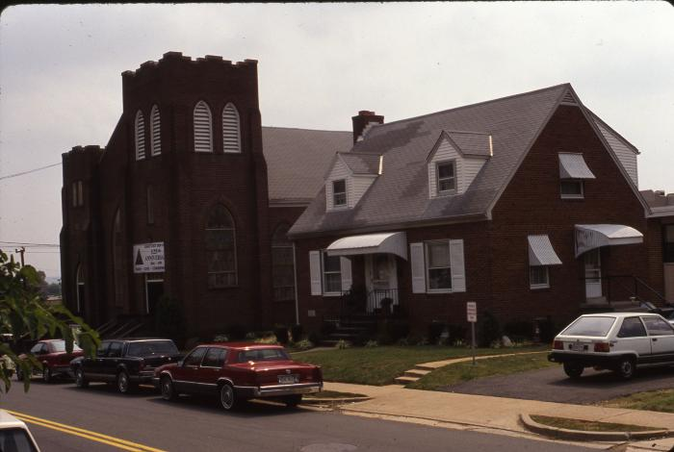 | Lomax Church Side (175-0271) | Looking southeast from 24th Road S. at Lomax AME Zion Church at 2704 24th Rd S. on 125th anniversary.
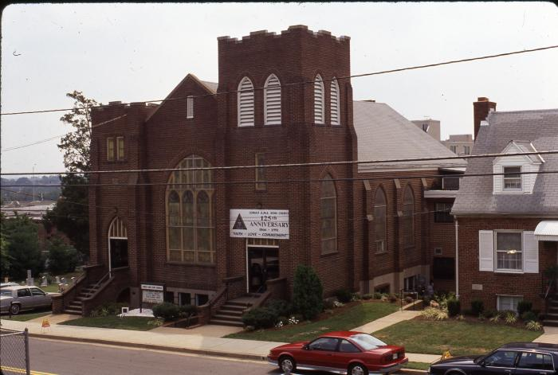 | Lomax Church Front (175-0272) | Front of Lomax AME Zion Church at 2704 24th Rd S. on 125th anniversary.
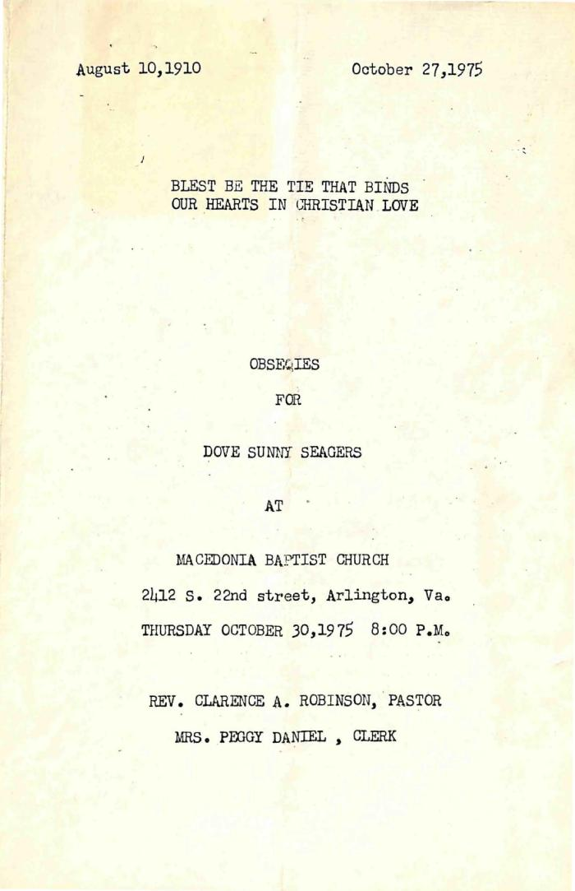
 | Funeral Program for Sunny Seagers (338-01-01-0035) | Program for the funeral of Dove Sunny Seagers, held at Macedonia Baptist Church on Thursday, October 30, 1975 and officiated by Rev. Clarence A. Robinson.
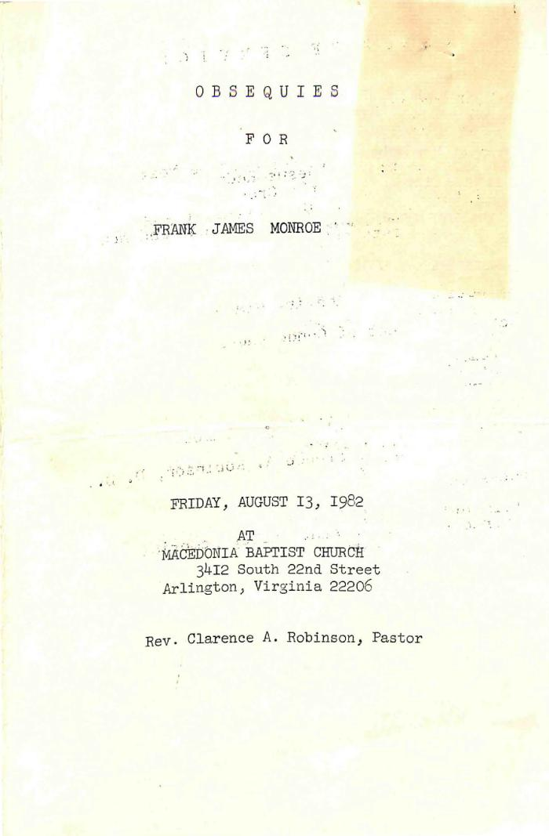
 | Funeral Program for Frank Monroe (338-01-02-0019) | Program for the funeral of Frank James Monroe, held at Macedonia Baptist Church on Friday, August 13, 1982 and officiated by Rev. Clarence A. Robinson.
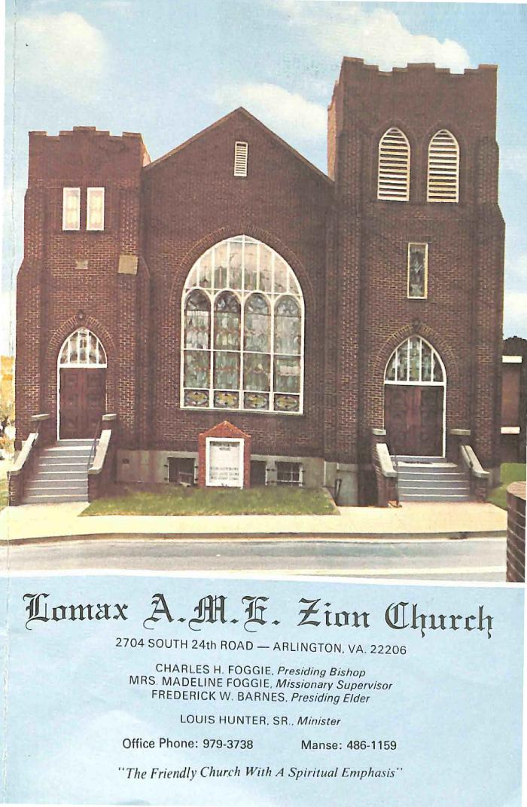
 | Funeral Program for Vernice Faltz (338-01-03-0016) | Program for the funeral of Vernice Lee Faltz, held at Lomax A.M.E. Zion Church on Friday, February 14, 1986 and officiated by Rev. Louis Hunter, Sr.
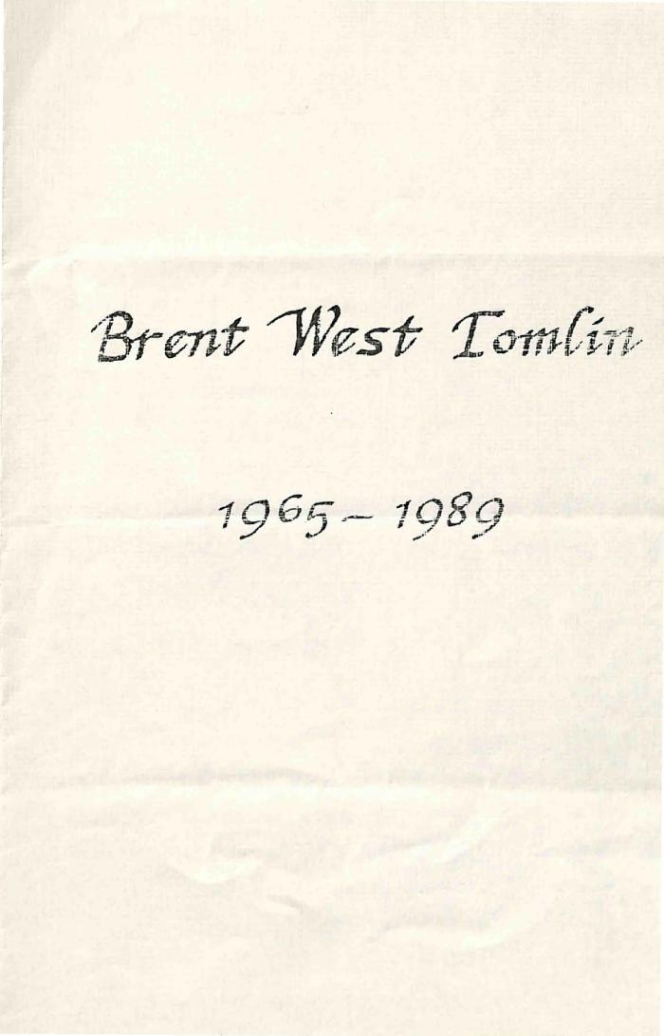
 | Funeral Program for Brent Tomlin (338-01-03-0035) | Program for the funeral of Brent West Tomlin, held at Lomax A.M.E. Zion Church on Tuesday, September 19, 1989 and officiated by Rev. Cameron W. Jackson.
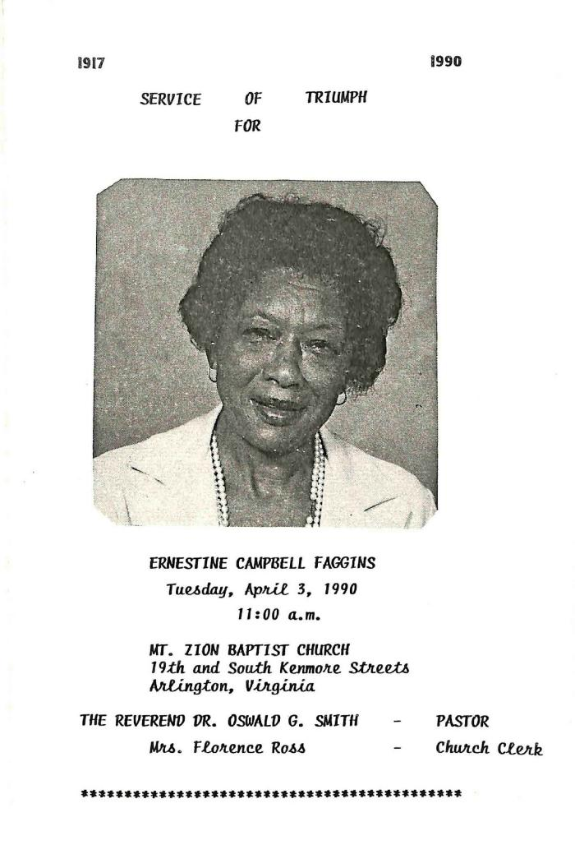
 | Funeral Program for Ernestine Faggins (338-01-04-0013) | Program for the funeral of Ernestine Campbell Faggins, held at Mount Zion Baptist Church on Tuesday, April 3, 1990 and officiated by Rev. Oswald G. Smith.
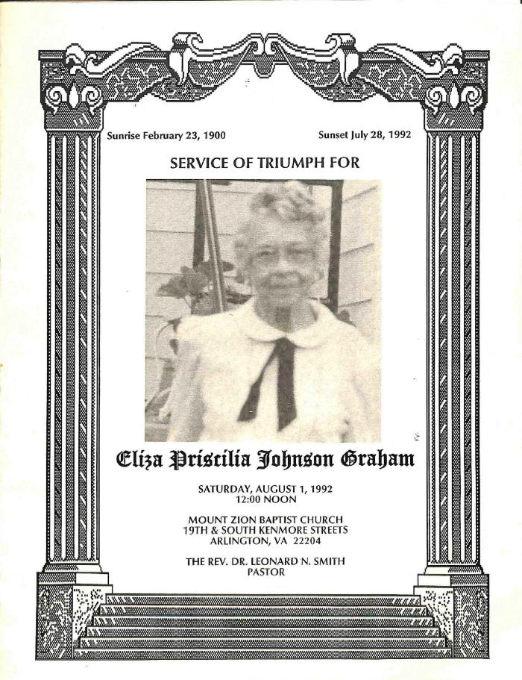
 | Funeral Program for Eliza Graham (338-01-04-0015) | Program for the funeral of Eliza Priscilia Johnson Graham, held at Mount Zion Baptist Church on Saturday, August 1, 1992 and officiated by Rev. Leonard N. Smith.
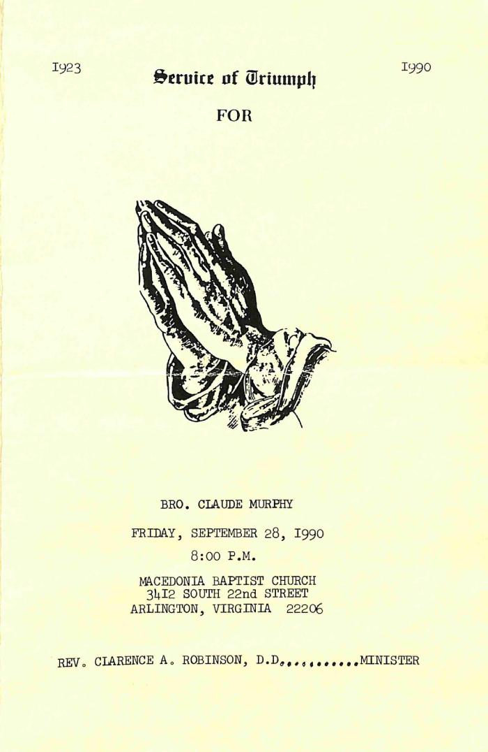
 | Funeral Program for Claude Murphy (338-01-04-0025) | Program for the funeral of Claude Murphy, held at Macedonia Baptist Church on Friday, September 28, 1990 and officiated by Rev. Clarence A. Robinson.
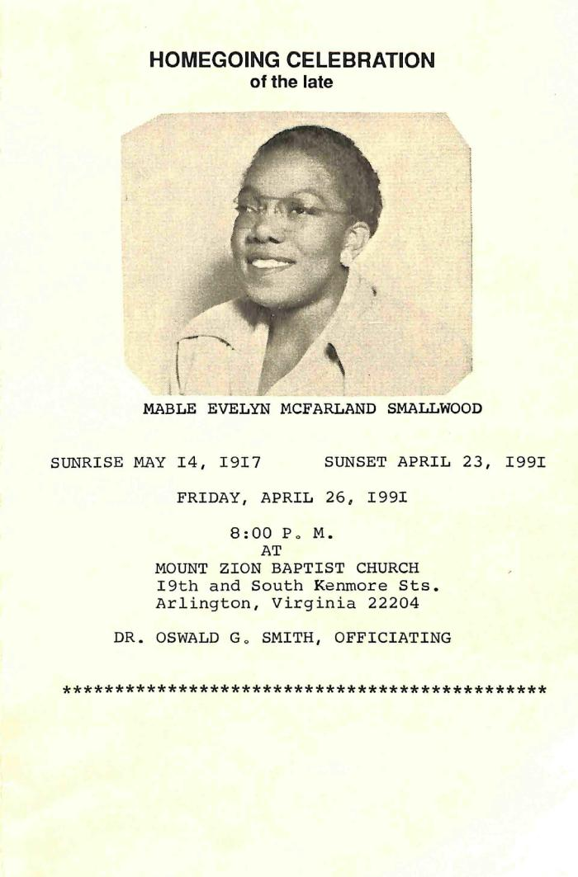
 | Funeral Program for Mable Smallwood (338-01-04-0033) | Program for the funeral of Mable Evelyn McFarland Smallwood, held at Mount Zion Baptist Church on Friday, April 26, 1991 and officiated by Rev. Oswald G. Smith.
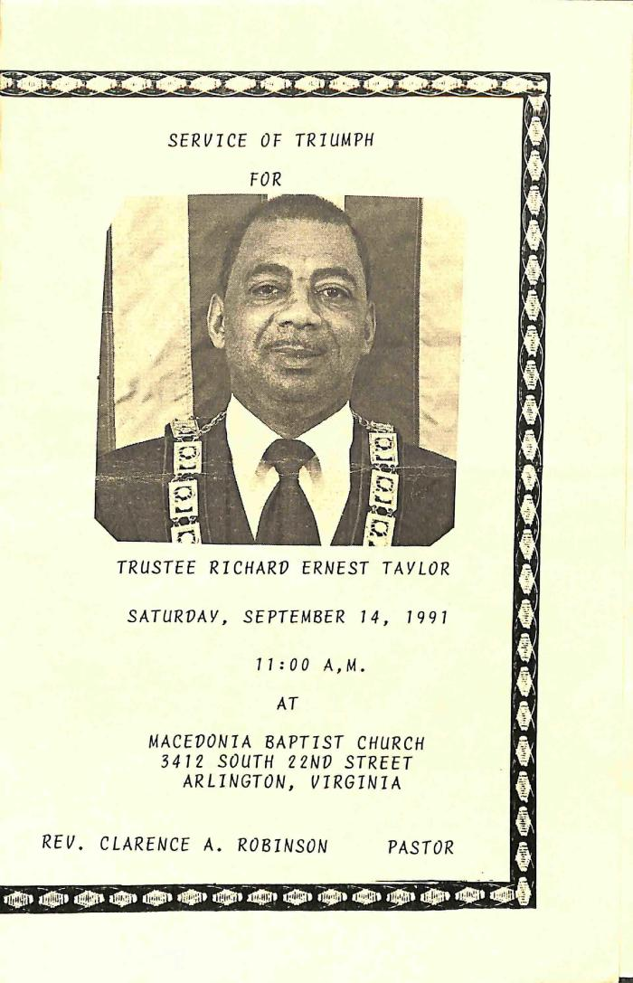
 | Funeral Program for Richard Taylor (338-01-04-0036) | Program for the funeral of Richard Ernest Taylor, held at Macedonia Baptist Church on Saturday, September 14, 1991 and officiated by Rev. Clarence A. Robinson.
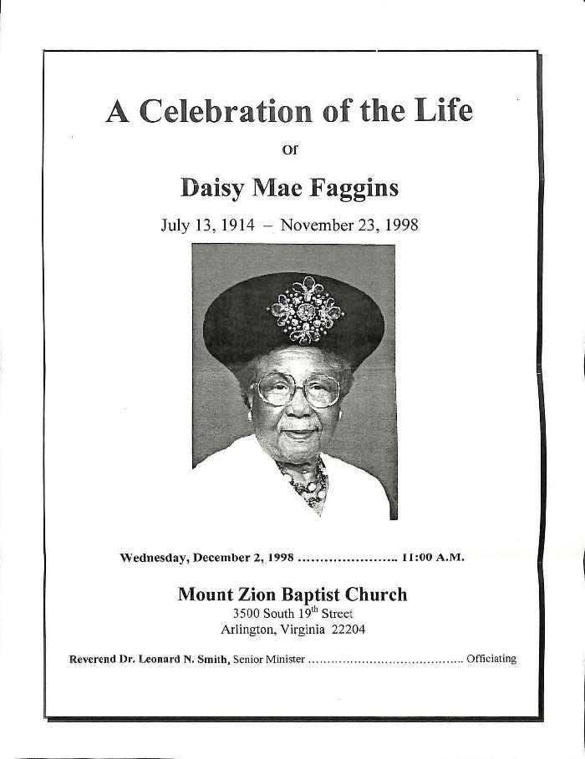
 | Funeral Program for Daisy Faggins (338-01-07-0009) | Program for the funeral of Daisy Mae Faggins, held at Mount Zion Baptist Church on Wednesday, December 2, 1998 and officiated by Rev. Leonard N. Smith.
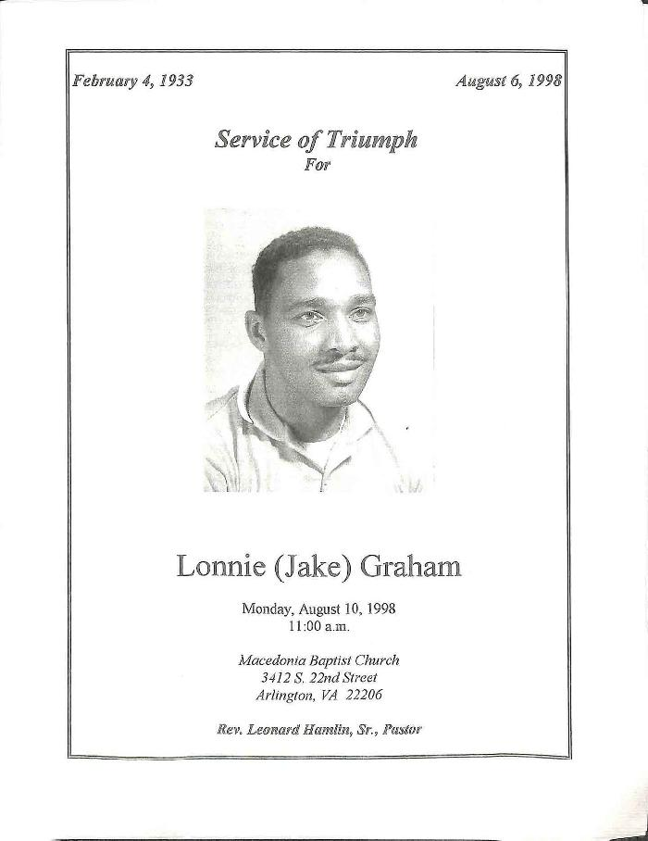
 | Funeral Program for Jake Graham (338-01-07-0011) | Program for the funeral of Lonnie Graham, held at Macedonia Baptist Church on Monday, August 10, 1998 and officiated by Rev. Leonard Hamlin, Sr.
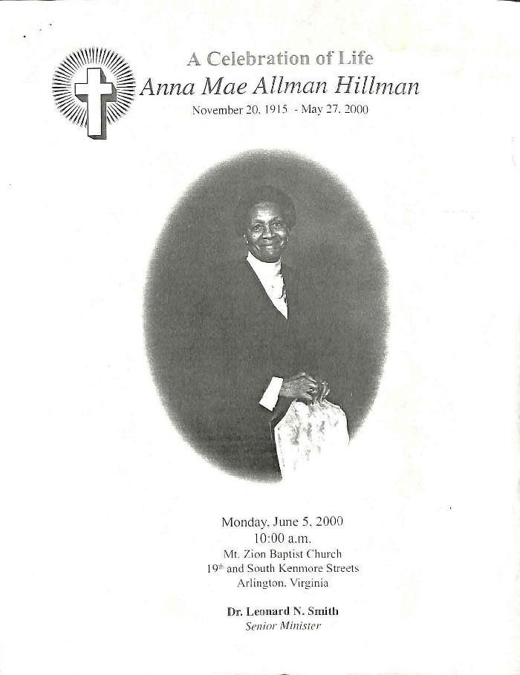
 | Funeral Program for Anna Hillman (338-01-08-0010) | Program for the funeral of Anna Mae Allman Hillman, held at Mount Zion Baptist Church on Monday, June 5, 2000 and officiated by Rev. Leonard N. Smith.
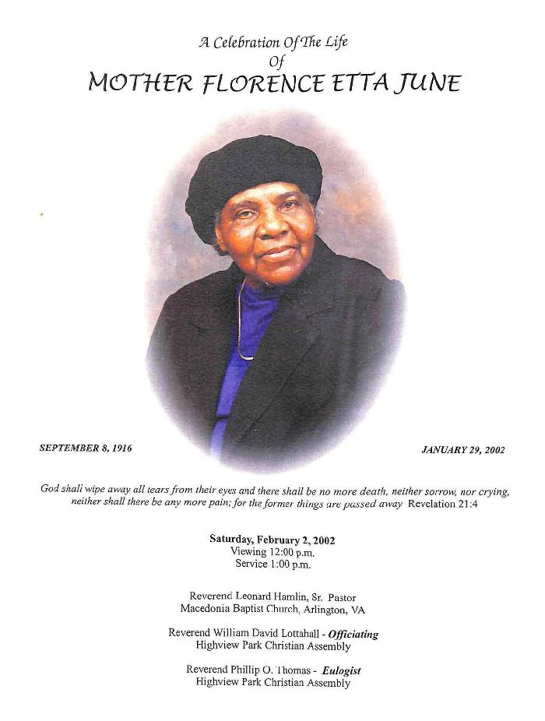
 | Funeral Program for Florence June (338-01-08-0016) | Program for the funeral of Florence Etta June, held at Macedonia Baptist Church on Saturday, February 2, 2002 and officiated by Rev. William David Lottahall.
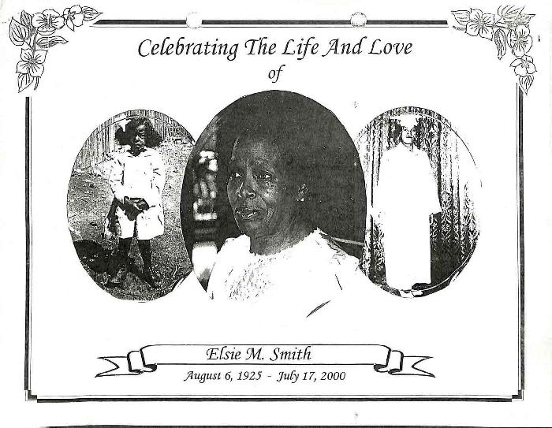 | Funeral Program for Elsie Smith (338-01-08-0025) | Program for the funeral of Elsie M. Smith, held at Macedonia Baptist Church in July of 2000 and officiated by Rev. Leonard L. Hamlin.
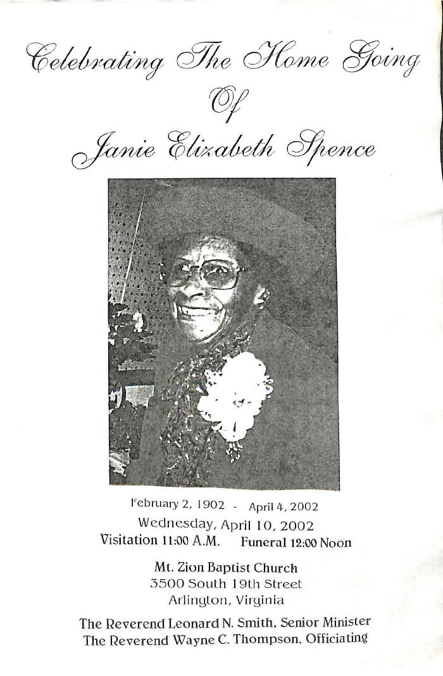
 | Funeral Program for Janie Spence (338-01-08-0026) | Program for the funeral of Janie Elizabeth Spence, held at Mount Zion Baptist Church on Wednesday, April 10, 2002 and officiated by Rev. Wayne C. Thompson.
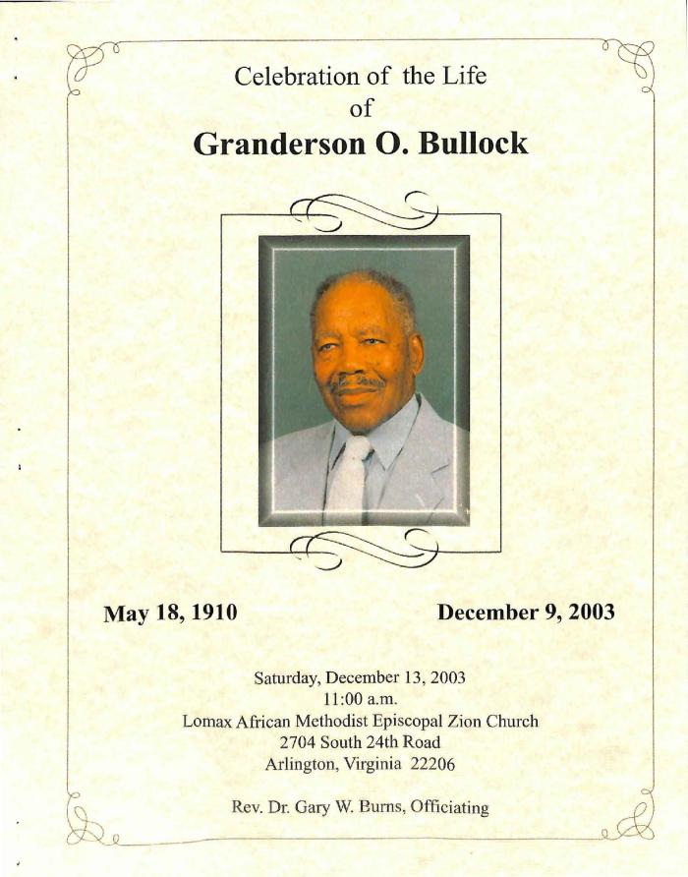
 | Funeral Program for Granderson Bullock (338-01-09-0003) | Program for the funeral of Granderson O. Bullock, held at Lomax A.M.E. Zion Church on Saturday, December 13, 2003 and officiated by Rev. Gary W. Burns.
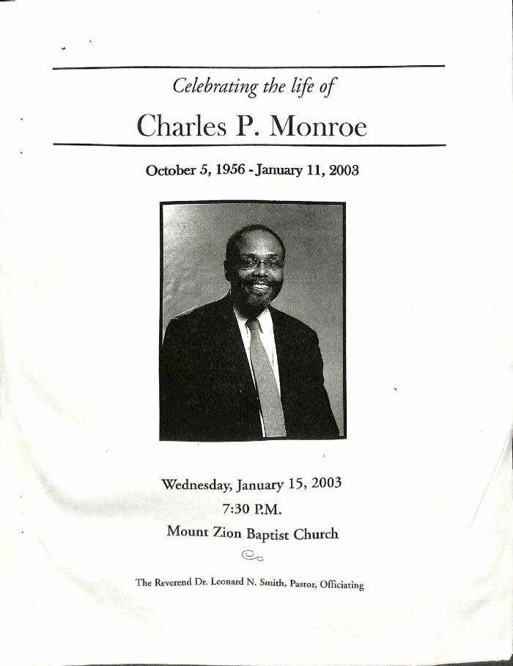
 | Funeral Program for Charles Monroe (338-01-09-0013) | Program for the funeral of Charles P. Monroe, held at Mount Zion Baptist Church on Wednesday, January 15, 2003 and officiated by Rev. Leonard N. Smith. The program contained several loose newspaper articles and various printed material that have all been included regardless of their relation to the program.
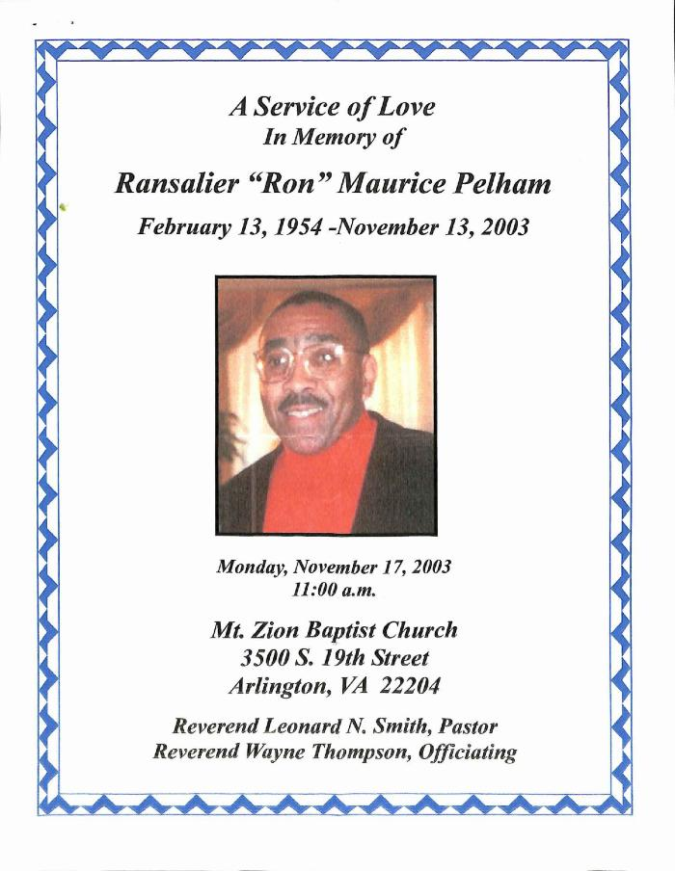
 | Funeral Program for Ron Pelham (338-01-09-0016) | Program for the funeral of Ransalier "Ron" Maurice Pelham, held at Mount Zion Baptist Church on Monday, November 17, 2003 and officiated by Rev. Wayne Thompson.
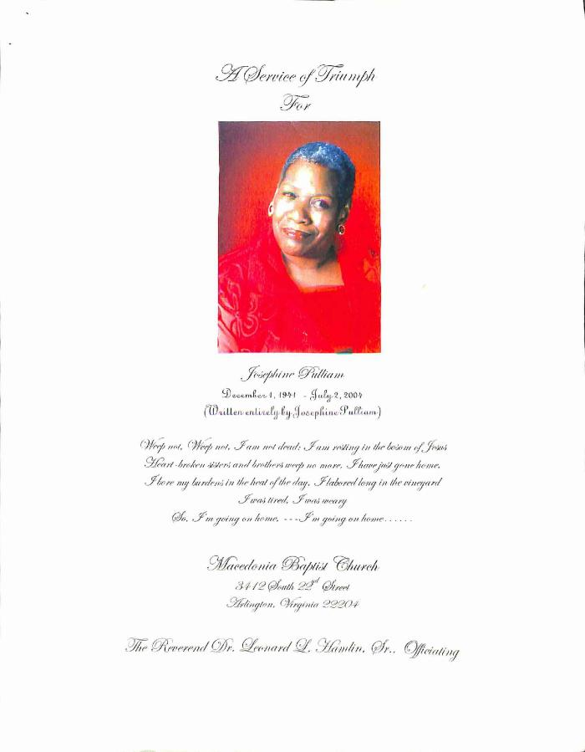
 | Funeral Program for Josephine Pulliam (338-01-09-0019) | Program for the funeral of Josephine Pulliam, held at Macedonia Baptist Church on Friday, July 6, 2004 and officiated by Rev. Leonard L. Hamlin, Sr.
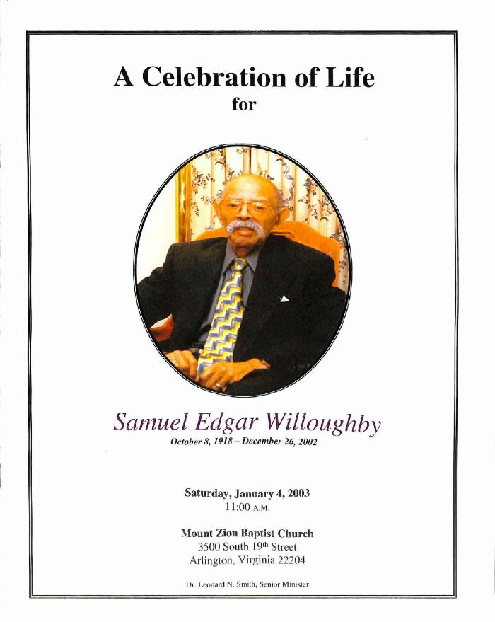
 | Funeral Program for Samuel Willoughby (338-01-09-0030) | Program for the funeral of Samuel Edgar Willoughby, held at Mount Zion Baptist Church on Saturday, January 4, 2003 and officiated by Rev. Leonard N. Smith.
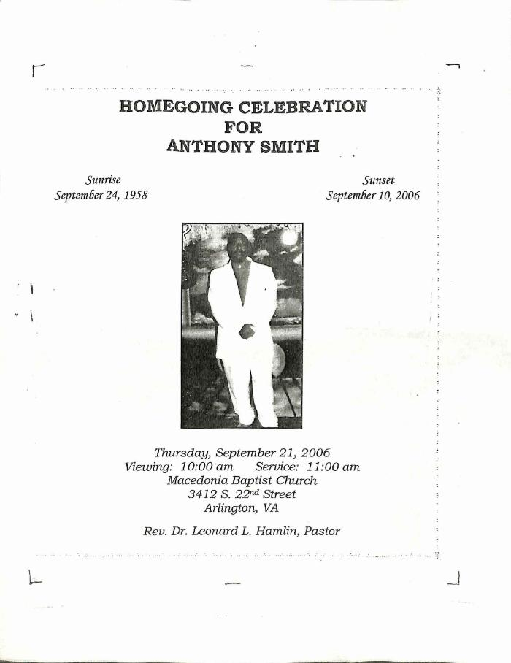
 | Funeral Program for Fred Smith (338-01-10-0017) | Program for the funeral of Anthony "Fred" Smith, held at Macedonia Baptist Church on Thursday, September 21, 2006 and officiated by Rev. Leonard L. Hamlin.
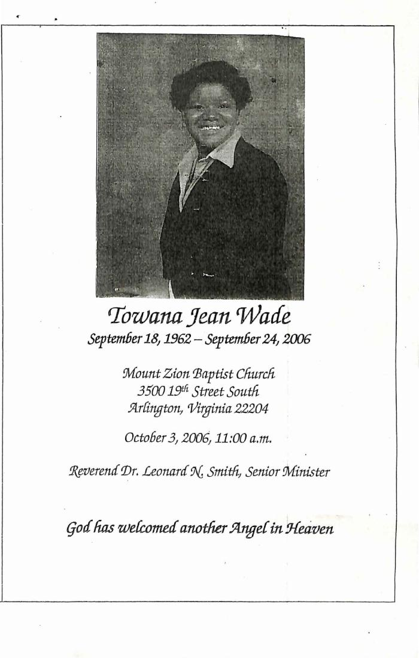
 | Funeral Program for Towana Wade (338-01-10-0023) | Program for the funeral of Towana Jean Wade, held at Mount Zion Baptist Church on October 3, 2006 and officiated by Rev. Leonard N. Smith.

